Assignment 1
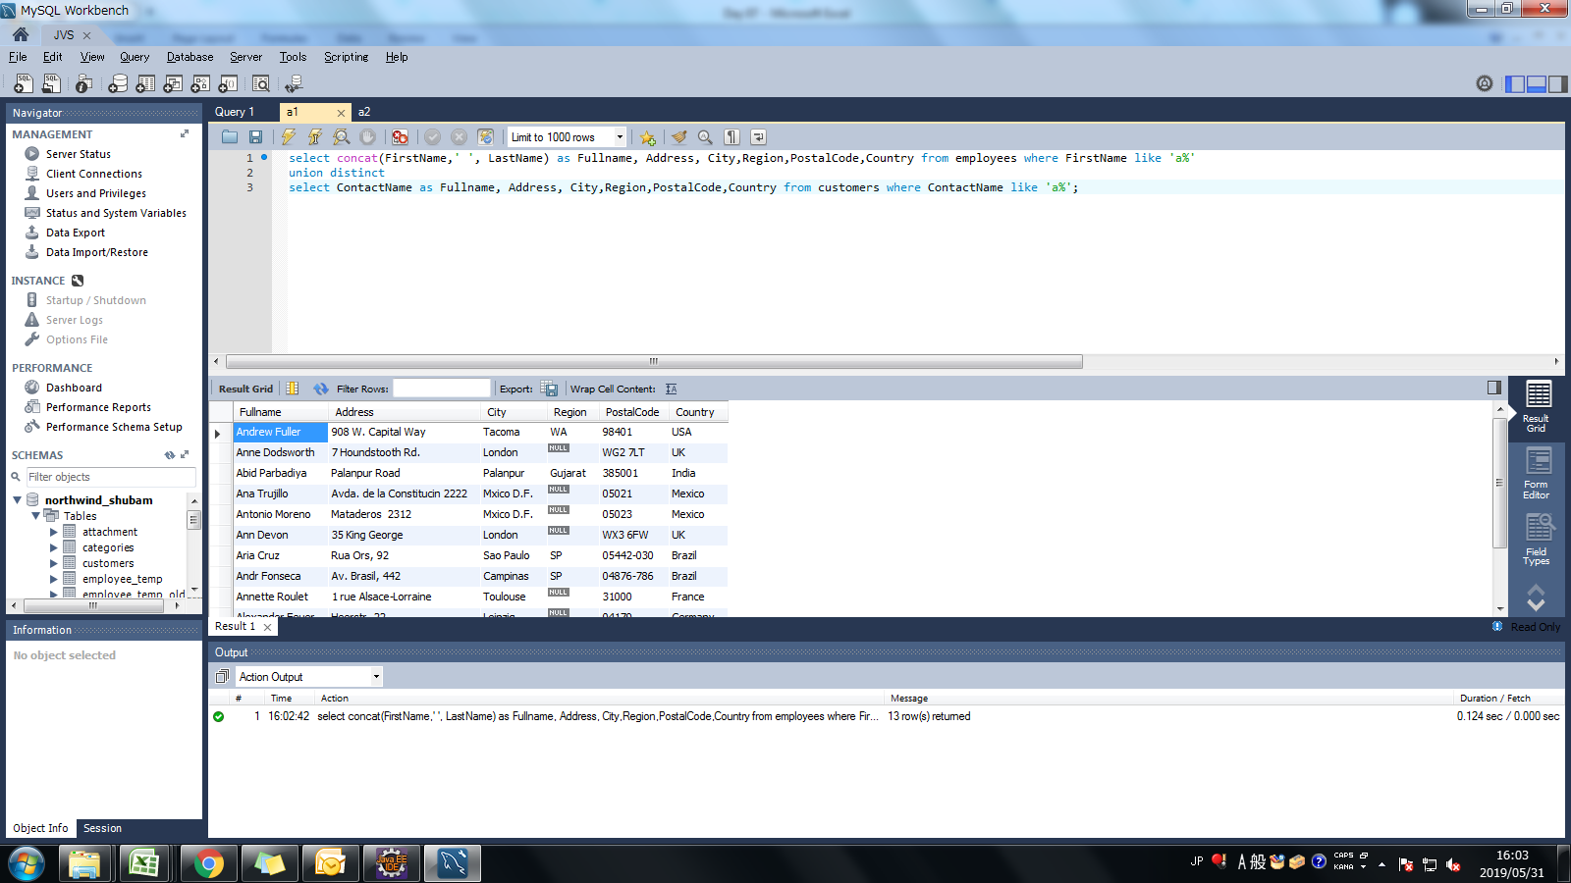
Assignment: | Display unique customer's as well as Employees FullName,Address,City,Region,PostalCode,Country,Phone whose name starts with character 'A'.

Query: | select concat(FirstName,' ', LastName) as Fullname, Address, City,Region,PostalCode,Country from employees where FirstName like 'a%'
 | union distinct
 | select ContactName as Fullname, Address, City,Region,PostalCode,Country from customers where ContactName like 'a%';

Screen Shoot:

Assignment 2
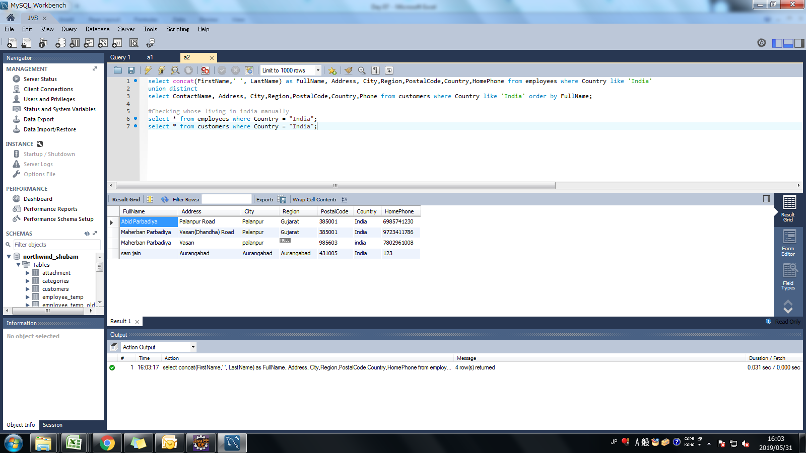
Assignment: | Display customer's as well as Employees FullName,Address,City,Region,PostalCode,Country,Phone who are living in india

Query: | select concat(FirstName,' ', LastName) as FullName, Address, City,Region,PostalCode,Country,HomePhone from employees where Country like 'India'
 | union distinct
 | select ContactName, Address, City,Region,PostalCode,Country,Phone from customers where Country like 'India' order by FullName;

Screen Shoot:

